Astra 1 192
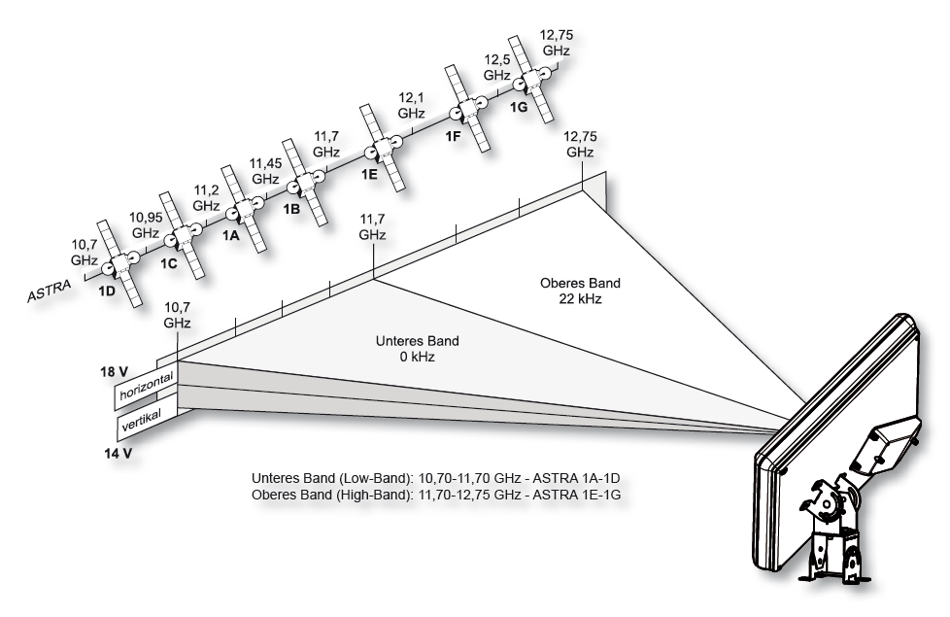
Astra 1 | https://www.sat4all.com/forums/profile/60869-sprietje/

